Q1
 |  |  | Practical No.-3
 |  |  | Shortest Path Problem

 | From | To | On Route | Distance | Nodes | NetFlow |  | Supply/Demand
Name - Riya Tomar | O | A | 1 | 2 | O | 1 | = | 1
Roll no. - 20231437 | O | B | 0 | 5 | A | 0 | = | 0
Course - B.Sc(Hons) Computer Science | O | C | 0 | 4 | B | 0 | = | 0
 | A | B | 1 | 2 | C | 0 | = | 0
QUES- 1 | A | D | 0 | 7 | D | 0 | = | 0
 | B | C | 0 | 1 | E | 0 | = | 0
 | B | D | 1 | 4 | T | -1 | = | -1
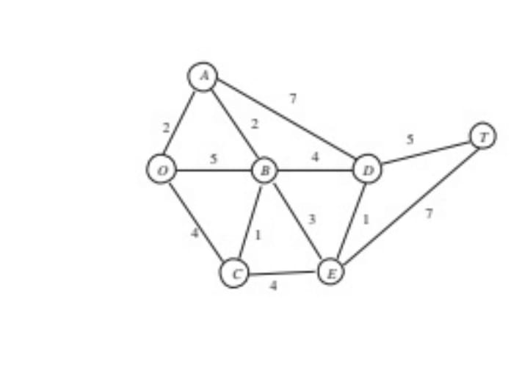
 | B | E | 0 | 3
 | C | B | 0 | 1
 | C | E | 0 | 4
 | D | E | 0 | 1
 | D | T | 1 | 5
 | E | D | 0 | 1
 | E | T | 0 | 7

 | TOTAL DISTANCE |  | 13

 |  | Shortest Path : O-> A,A -> B,B->D,D->T.

Q4
 |  |  | Practical No.-3
 |  |  | Shortest Path Problem

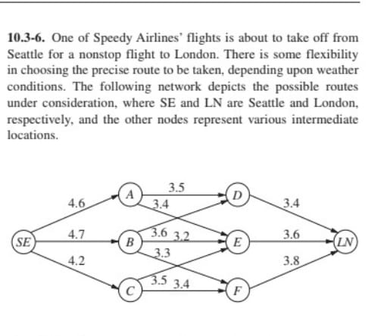
 | From | To | On Route | Distance | Nodes | NetFlow |  |  | Supply/Demand
Name - Riya Tomar | SE | A | 0 | 4.6 | SE | 1 | = | 0 | 1
Roll no. - 20231437 | SE | B | 0 | 4.7 | A | 0 | = | 0 | 0
Course - B.Sc(Hons) Computer Science | SE | C | 1 | 4.2 | B | 0 | = | 0 | 0
 | A | D | 0 | 3.5 | C | 0 | = | 0 | 0
QUESTION - 4 | A | E | 0 | 3.4 | D | 0 | = | 0 | 0
 | B | E | 0 | 3.2 | E | 0 | = | 0 | 0
 | B | D | 0 | 3.6 | F | 0 | = | 0 | 0
 | B | F | 0 | 3.3 | LN | -1 | = | 0 | -1
 | F | LN | 0 | 3.8
 | C | E | 1 | 3.5
 | C | F | 0 | 3.4
 | D | LN | 0 | 3.4
 | E | LN | 1 | 3.6

 | TOTAL DISTANCE |  | 11.3

 |  | Shortest Path : SE-> C,C -> E,E->LN.

